Sheet1
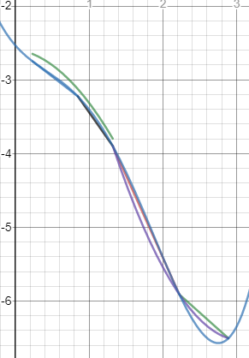
X | 0.231 | 0.848 | 1.322 | 2.224 | 2.892
Y | -2.748 | -3.225 | -3.898 | -5.908 | -6.506

P0(x) | (x-0,848) | (x-1,322) | (x-2,224) | (x-2,892)* | 0.28011599745
P1(x) | (x-0,231) | (x-1,322) | (x-2,224) | (x-2,892)* | -1.2157300986
P2(x) | (x-0,231) | (x-0,848) | (x-2,224) | (x-2,892)* | 1.3654968977
P3(x) | (x-0,231) | (x-0,848) | (x-1,322) | (x-2,892)* | -0.60518933689
P4(x) | (x-0,231) | (x-0,848) | (x-1,322) | (x-2,224)* | 0.17530654036

L4(x)= | (x-0,848) | (x-1,322) | (x-2,224) | (x-2,892)* | -0.76975876099 | + | (x-0,231) | (x-1,322) | (x-2,224) | (x-2,892)* | 3.920729568 | + | (x-0,231) | (x-0,848) | (x-2,224) | (x-2,892)* | -5.3227069071 | + | (x-0,231) | (x-0,848) | (x-1,322) | (x-2,892)* | 3.5754586023 | + | (x-0,231) | (x-0,848) | (x-1,322) | (x-2,224)* | -1.1405443516

L4(x1+x2) | -5.7918092149
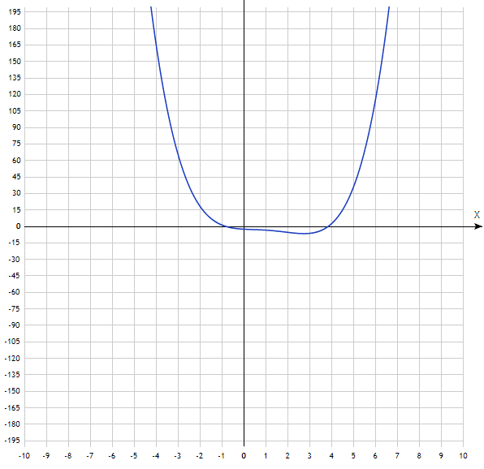

Задание 2
Xk | Yk | D1Yk | D2Yk | D3Yk | D4Yk
0.231 | -2.748 | -0.477 | -0.196 | -1.141 | 3.89
0.848 | -3.225 | -0.673 | -1.337 | 2.749
1.322 | -3.898 | -2.01 | 1.412
2.224 | -5.908 | -0.598
2.892 | -6.506

Xk | Yk | 1-ый | 2-ой | 3-ий | 4-ый
0.231 | -2.748 | -0.77309562399 | -0.59279156704 | 0.0026003239369 | 0.26317815061
0.848 | -3.225 | -1.4198312236 | -0.58760912143 | 0.70291738272
1.322 | -3.898 | -2.2283813747 | 0.84915400884
2.224 | -5.908 | -0.89520958084
2.892 | -6.506
Задание 3
N4(x) | -2,748-0,7731(x-0,231) -0,59279(x-0,231)(x-0,848)+0,0026(x-0,231)(x-0,848)(x-1,322)+0,2632(x-0,231)(x-0,848)(x-1,322)(x-2,224)
N4(x) | -5.7918092149
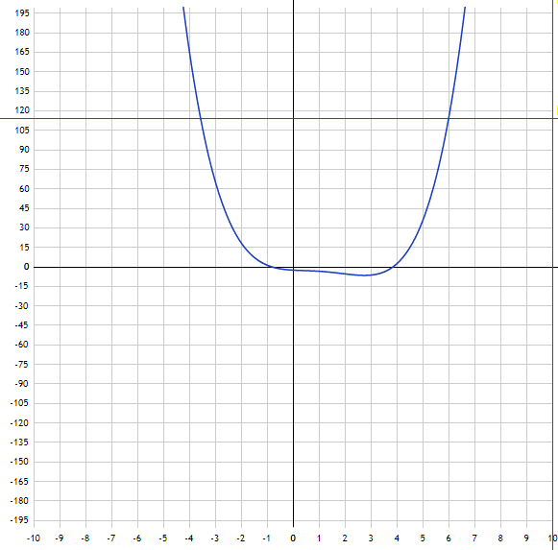

Задание 4
ФИ(x) | A1x+B1 | 0,231<=x<=0,848
 | A2x+B2 | 0,848<=x<=1,322
 | A3x+B3 | 1,322<=x<=2,224
 | A4x+B4 | 2,224<=x<=2,892

0,231A1+B1 |  | = -2,748
0,848A1+B1 |  | = -3,225

0,848A2+B2 |  | = -3,225
1,322A2+B2 |  | = -3,898

1,322A3+B3 |  | = -3,898
2,224A3+B3 |  | = -5,908

2,224A4+B4 |  | = -5,908
2,892A4+B4 |  | = -6,506

A1= | -0.77309562399
B1= | -2.5694149109

A2= | -1.4198312236
B2= | -2.0209831224

A3= | -2.2283813747
B3= | -0.95207982262

A4= | -0.89520958084
B4= | -3.9170538922

ФИ(x) | -0,7731x-2,569 |  | 0,231<=x<=0,848
 | -1,42x-2,02098 |  | 0,848<=x<=1,322
 | -2,22838x-0,95208 |  | 1,322<=x<=2,224
 | -0,89521x-3,917 |  | 2,224<=x<=2,892

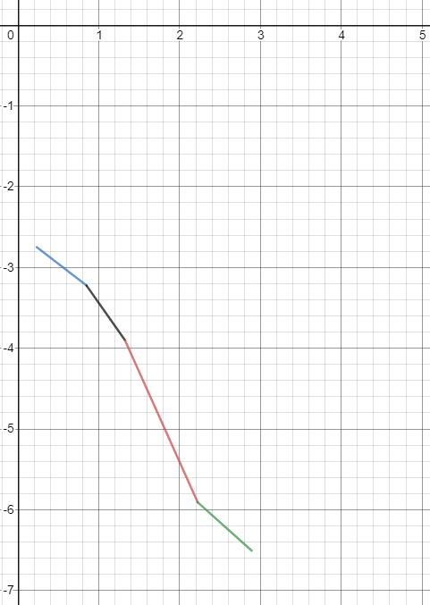

ФИ(x) | a1x^2+b1x+c1 |  |  | [0,231;1,322]
 | a2x^2+b2x+c2 |  |  | [1,322;2,892]

(0.231)^2a1+0.231b1+c1 |  |  | -2.748
(0.848)^2a1+0.848b1+c1 |  |  | -3.225
(1.322)^2a1+1.322b1+c1 |  |  | -3.898

(1,322)^2a2+1,322b2+c2 |  |  | -3.898
(2,224)^2a2+2,224b2+c2 |  |  | -5.908
(2,892)^2a2+2,892b2+c2 |  |  | -6.506

a1 | -0.59279
b1 | -0.13347
c1 | -2.68554

a2 | 0.84915400884
b2 | -5.2394814901
c2 | 1.5445416551

ФИ(x) | -0,5928x^2-0,1335x-2,5855 |  |  | [0,231;1,322]
 | 0,8492x^2-5,2395x+1,5445 |  |  | [1,322;2,892]
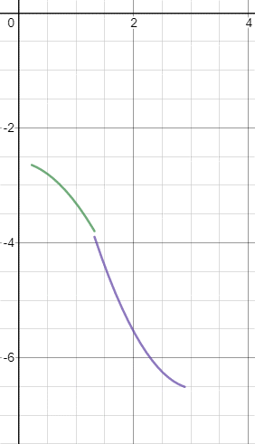

Задание 5

